PICO calculator
Welcome to the PICO Calculator

Choose your Nanoplate |  | Nanoplate 26K 24-well

Step 1: Preparation of the Dilution Curve (DC)

 | Sample name | Dil1 | Dil2 | Dil3 | Dil4 | Dil5
 | Total dilution factor | 0 | 0 | 0 | 0 | 0
 | Dilution factor
 | Volume (µl)

 | Carry-over volume |  | #DIV/0! | #DIV/0! | #DIV/0! | #DIV/0!

 | #DIV/0!

 | Dil1 |  | Dil2 | Dil3 | Dil4 | Dil5

Cell lysis buffer (LB) |  | #DIV/0! | #DIV/0! | #DIV/0! | #DIV/0! | #DIV/0!

Step 2: Preparation of the Antibody Mix (ABX)

Name of antibody |  |  | Antibody A | Antibody B | Ab3 | Ab4
Antibody labeling efficiency [%] |  |  | 98% | 99% |  |  | ABX pipetting scheme
Stock antibody concentration [cp/µl] (measured by dPCR) |  |  | 1.93E+10 | 1.93E+10 |  |  | LB-Stock | 30 µl |  | 28,1 µl | PBS
Stock antibody concentration [M] |  |  | 3.20E-08 | 3.20E-08 | 0.00E+00 | 0.00E+00
Stock antibody pre-dilution (adjust to have a pipettable range in #F44-I44; if 1 is used no pre-dilution is considered) |  |  | 1 | 1 | 1 | 1
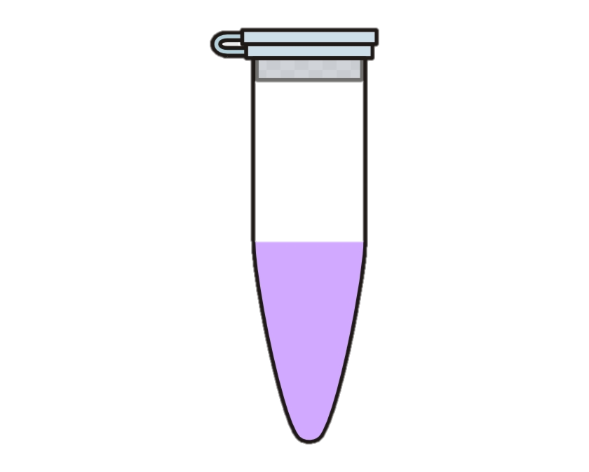

Ab. working conc. in the binding reaction [M] |  |  | 5.00E-10 |  |  |  | Antibody A | 0,9 µl |  | 0,9 µl | Antibody B
Total ABX volume [µl] |  |  | 60
Recommended Total ABX volume [µl] |  |  | 60
Dilution factor introduced by binding reaction setup (usually 2) |  |  | 1
Antibody stock/pre-dilution [µl] |  |  | 0.94 | 0.94 | 0.00 | 0.00
LB-Stock volume to total ABX volume [µl] |  |  | 30
PBS volume to total ABX volume [µl] |  |  | 28.13
If volume is negative, use LB-Buffer instead of LB-Stock and PBS [µl] |  |  | 58.13

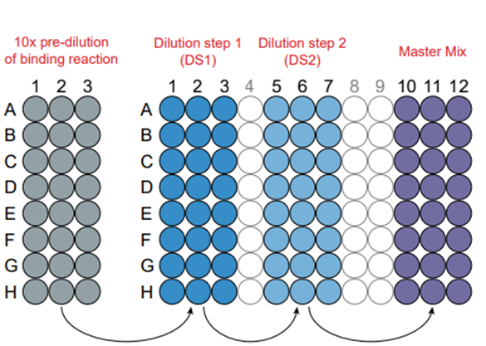
 |  |  |  |  |  |  | dPCR pre-dilution scheme for QIAcuity Nanoplate 26k 24-well
Step 3: dPCR pre-dilution |  |  | Stick to recommended values

Ab. working conc. in the binding reaction [cp/µl] |  |  | 3.01E+08
Lambda (between 0.01-0.6, we recommend 0.15) |  |  | 0.15
Targeted Ab. concentration for dPCR [cp/µl] |  |  | 192.31
Dilution factor by pre-dilution (we recommend 10) |  |  | 10
Dilution factor by Master Mix (usually 42) |  |  | 42
Number of dilution steps |  |  | 2
Carry-over volume of previous dilution [µl] |  |  | 2
Volume of PBS required for each dilution step [µl] |  |  | 120
Dilution factor back to binding reaction |  |  | 1,562,820 |  |  |  |  | 2 µl | 2 µl | 1 µl
Dilution factor back to AB stock concentration for Antibody A |  |  | 1.00E+08
Dilution factor back to AB stock concentration for Antibody B |  |  | 1.00E+08
Dilution factor back to AB stock concentration for Ab3 |  |  | #DIV/0! |  |  |  | dPCR pre-dilution scheme for QIAcuity Nanoplate 8.5k 96-well
Dilution factor back to AB stock concentration for Ab4 |  |  | #DIV/0!
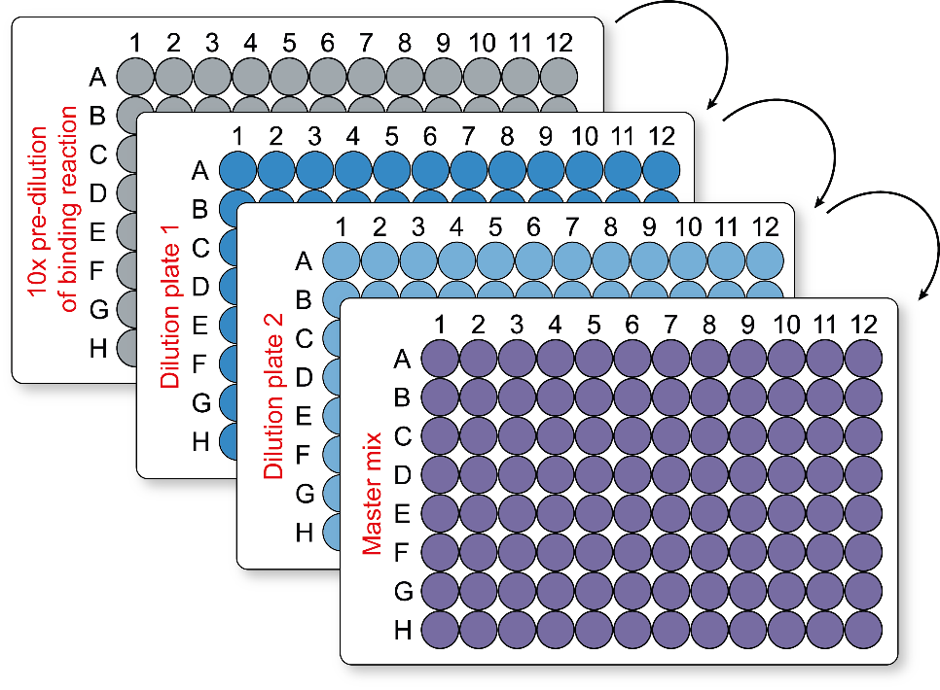
 |  |  |  |  |  |  |  |  |  | 2µl

 |  |  |  |  |  |  |  |  |  |  | 2 µl

 |  |  |  |  |  |  |  |  |  |  |  | 1 µl

